Plan Sponsor - Payroll Vendor
Vanguard SFTP (SSH) Connectivity Details
The information below is used to establish connectivity to the Vanguard environment via SFTP
The tab is completed by the Plan Sponsor Representative / Payroll Vendor

Please check this box and return to Vanguard once all required cells in sections: A, B, D, and E are complete. Required cells are white.

Section A
Plan Sponsor / Payroll Vendor Information
Project Contact | Lea King |  | Email: | lking@tekpartners.com
 |  |  | Phone Number: | 515-480-4262

Connection Analyst | Lea King |  | Email: | lking@tekpartners.com
 |  |  | Phone Number: | 515-480-4262

Section B
Connectivity
Files to Vanguard (Select One) |  | Client Connects to Vanguard to Push the File [Preferred] Vanguard Hosts
 |  | Vanguard Connects to Client to Pull the File Client Hosts

Files From Vanguard (Select One) |  | Vanguard Connects to Client to Push the File [Preferred] Client Hosts
 |  | Client Connects to Vanguard Server to Pull File Vanguard Hosts

Section C
Vanguard SFTP Connection Information
Test Environment |  |  | Production Environment
DNS Name: | catsrtran.vanguard.com |  | DNS Name: | srtran.vanguard.com
IP Addresses: | 192.175.180.18 & 192.175.178.75 |  | IP Addresses: | 192.175.196.11 & 192.175.206.11
SFTP Port: | 22 |  | SFTP Port: | 22

**Note: If Vanguard hosts the connection (Client connects to Vanguard)**
SFTP Username: | ***Will Provide Separately*** |  | SFTP Password: | ***Will Provide Separately***

Directory: To Vanguard | /inbound |  | Directory: From Vanguard | /outbound

Section D
Client SFTP Connection Information
**This information is needed for our firewall rules**
Test Environment |  |  | Production Environment
DNS Name (if applicable) |  |  | DNS Name (if applicable)
Source IP Addresses: | 68.203.99.123 and 209.208.226.4 |  | Source IP Addresses: | 68.203.99.123 and 209.208.226.4
**REQUIRED If multiple list all, please do not provide a range listing |  |  | **REQUIRED If multiple list all, please do not provide a range listing
SFTP Port: | 22 |  | SFTP Port: | 22

**Note: Only provide the below information if Vanguard is required to send files to your server (Vanguard connects to Client)**
SFTP Authentication: | Username/Password SSH Host Key (Vanguard Host keys attached to this form) Both
SFTP Username: |  |  | SFTP Password:

Directory: To Client |  |  | Directory: From Client

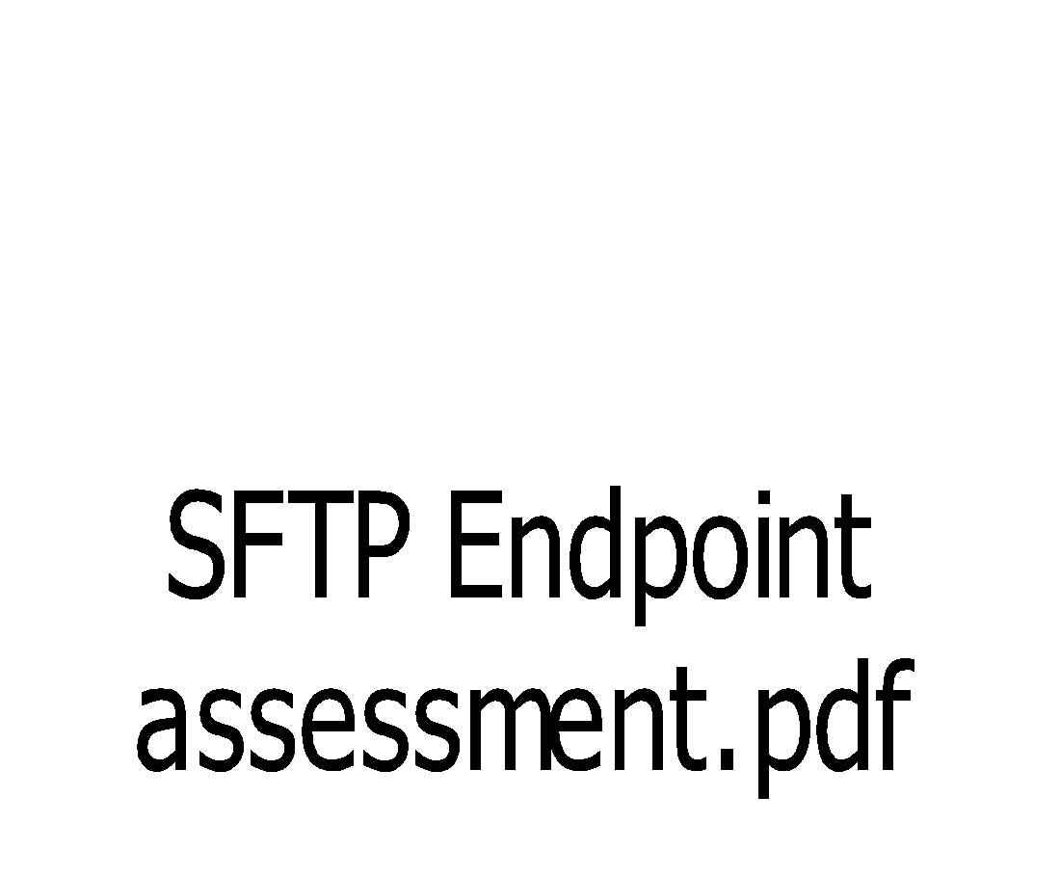
Section E
Vanguard PGP Information
With SFTP connections, Vanguard DOES NOT require PGP encryption on file transmissions as long as your SFTP endpoint meets Vanguard's security requirements, as described in the attached ‘SFTP Endpoint Assessment’. Please confirm you meet these requirements, or if you prefer PGP be used for this connection.
Do you meet the above security requirements? |  |  | Yes
 |  |  | No (Please send your public DH PGP key in a separate email)
Vanguard PGP Information
Vanguard Rotates PGP Keys Every 5 Years

End of Page

